3-Fig1-decomposition-strategy-e
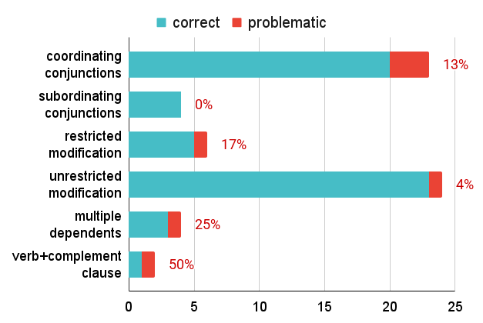
count | correct | problematic
coordinating conjunctions | 20 | 3
subordinating conjunctions | 4 | 0
restricted modification | 5 | 1
unrestricted modification | 23 | 1
multiple dependents | 3 | 1
verb+complement clause | 1 | 1

